puma
 |  |  |  |  | UK Size |  |  |  |  |  |  |  |  |  |  |  |  | 5837 |  |  | € 506,490.00
PIC | Brand | Gender | Name | SKU | 6 | 6.5 | 7 | 7.5 | 8 | 8.5 | 9 | 9.5 | 10 | 10.5 | 11 | 11.5 | 12 | QTY | WHS | RRP | Total RRP
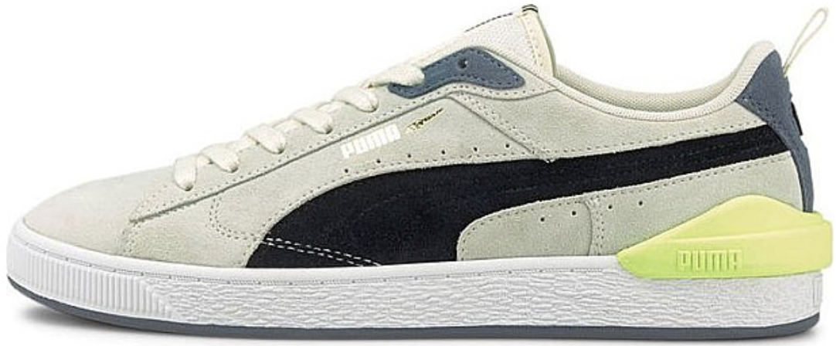 | PUMA | Men | Suede Bloc | 381183-01 | 114 | 70 | 184 | 299 | 39 | 13 | 53 | 1 | 7 |  | 139 |  | 33 | 953 | € 47.50 | € 95.00 | € 90,535.00
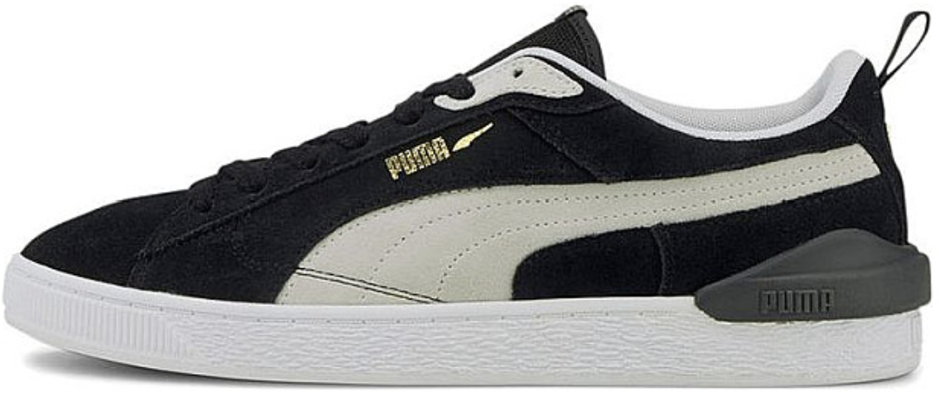 | PUMA | Men | Suede Bloc | 381183-02 | 35 | 19 | 58 | 90 | 105 | 97 | 104 | 86 | 91 | 2 | 33 |  | 5 | 726 | € 47.50 | € 95.00 | € 68,970.00
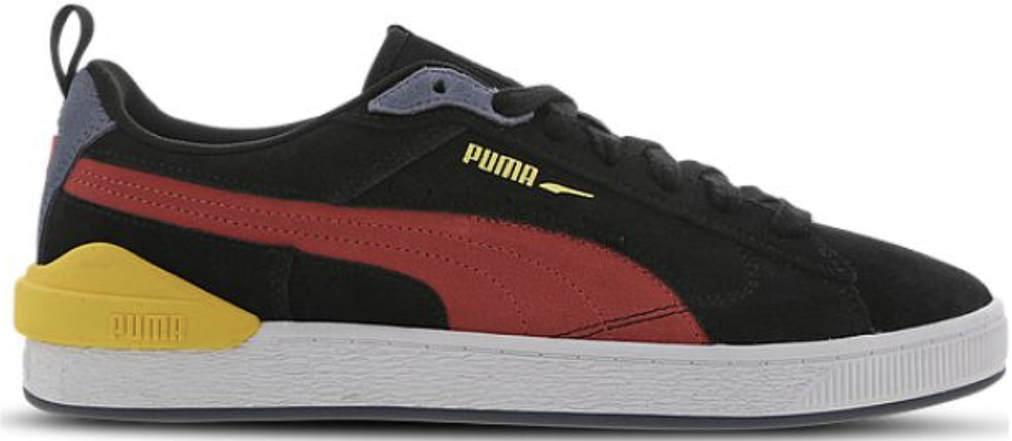 | PUMA | Men | Suede Bloc | 381183-03 | 103 | 60 | 169 | 267 | 305 | 281 | 330 | 296 | 265 |  | 126 |  | 35 | 2237 | € 47.50 | € 95.00 | € 212,515.00
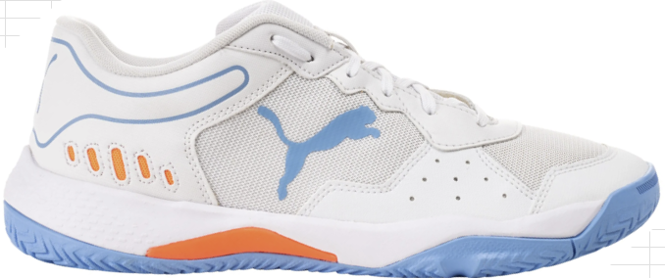 | PUMA | Men | SOLARSMASH RCT | 107297-02 | 70 | 115 | 59 | 237 | 336 | 139 | 377 | 224 | 126 | 133 | 45 | 28 | 31 | 1921 | € 35.00 | € 70.00 | € 134,470.00

